Sheet1
Image | Item Description | Available Stock | Inner Qty | Outer Qty | Pallet Qty | Item Barcode
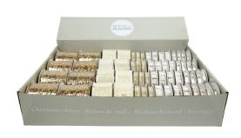 | Xmas Ribbons 8cm (assorted) | 7,680 | 60 | 240 | 5,760 | 8718861698565
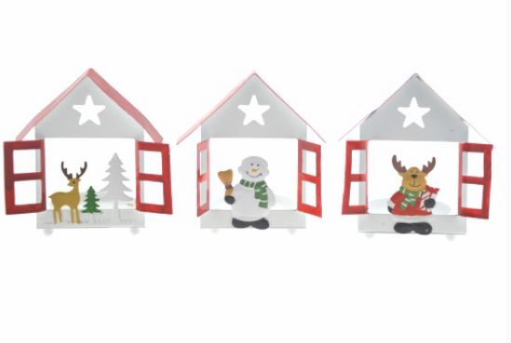 | Xmas Metal Tealight Holders (3 asstd) | 14,280 | 20 | 20 | 3,000 | 8718658349441
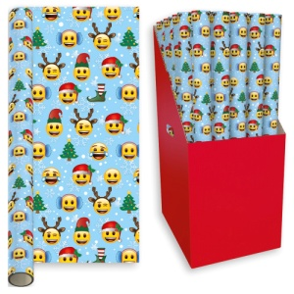 | WRAP, 3M EMOJI | 2,200 | 50 | 50 | 1,400 | 0
 |  | 24,160

